1. Title Page
Instacart Grocery Basket Analysis: customer preferences and ordering habits

Project Name: Instacart Grocery Basket Analysis
Date: Friday, November 17, 2023
Analyst Name: K Tedford

Contents:
Population Flow
Consistency checks
Wrangling steps
Column derivations
Visualizations
Recommendations

These analyses were made using
“The Instacart Online Grocery Shopping Dataset 2017”,
Accessed via Kaggles on November 1, 2023:
https://www.kaggle.com/competitions/instacart-market-basket-analysis/data

2. Population Flow
TITLE PAGE

Population flow

Exclusion flag
Condition: max_order < 5 orders
Obervations to be removed: 1440295
Final total count of order_products_all: 30964564

Orders_products_combined
Orders_products_merged
Orders_products_all

Total: 32404859
Total: 32434489
Total: 32404859

1.) The grey boxes in the first row of the population flow represent the original data sets as they were when you downloaded them. In the Total fields you need to add the count of the rows when you imported the data set into Jupyter.
2.) The second row of boxes (coloured) represents the data sets after you manipulated them, e.g., removed missing values and duplicates. In the Total fields you need to add the count of the rows after conducting these operations. This offers a visual oveview of how the data flows throughout the data consistency checks.
3.) The third row, where also the arrows are coloured, represents the merges you performed between the datasets. In the Total fields you need to add the count of the rows in the merged datasets, so that you end up with the final dataset (in the red box). Keep in mind the final dataset should be without exclusions (based on the exclusion flag).

3. Consistency checks
 |  |  | TITLE PAGE
Consistency checks

Dataset | Missing values | Missing values treatment | Duplicates
orders | 206209 NaN values | created a new column to flag the NaN values as new customers | no duplicates
products | 16 rows | created a new df_prods_clean without the 16 rows | 5 duplicate rows removed
orders_products_prior | none |  | none
customers | 11259 missing First Names | no action taken | none

4. Wrangling steps
 |  |  | TITLE PAGE
Wrangling steps

Columns dropped | Columns renamed | Columns' type changed | Comment/Reason
"eval_set" |  |  | leftover from a Kaggle dataset and not needed by us
 | "order_dow" to "order_day_of_week" |  | to improve readability by stakeholders
 | "order_time_of_day" to "order_hour" |  | to improve readability by stakeholders
 |  | "order_id" to string | to save memory and we don't need it in the descriptive stats
 |  | "customer_id" to string | to save memory and we don't need it in the descriptive stats
 |  | "First Name" to string | to fix errors
"_merge" |  |  | not needed
"active customer" |  |  | not needed
First Name |  |  | data privacy - PII
Last Name |  |  | data privacy - PII
unnamed 0 |  |  | not needed
 | "surname" to "Last Name"

5. Column derivations
 |  |  | TITLE PAGE

Column derivations and aggregations

In this tab you should add tables below that the frequences of flags/label variables that you produced after deriving them. NB: don't do this for continuous variables, only for flags.
Dataset | New column | Column/s it was derived from | Conditions
orders_products_merged | price_range_loc | prices | “Low-range Product” - prices <= 5
 |  |  | “Mid-range product” - 5 < prices <= 15
 |  |  | “High range” - 15 < prices

orders_products_merged | busiest_day | orders_day_of_week | “Busiest day” - dow == 0
 |  |  | “Regularly busy” - dow == else
 |  |  | “Least busy” - dow == 4

orders_products_merged | busiest_period_of_day | orders_time | “Most orders” - 8 – 19
 |  |  | “Average orders” - 0-1, 6-7, 20-23
 |  |  | “Fewest orders” - else

orders_products_merged | max_order | order_number | (highest number in ‘order_number’)

orders_products_merged | loyalty_flag | max_order | “Loyal customer” - 40 < max_order
 |  |  | “Regular customer” - 10 < max_order <=40
 |  |  | “New customer - max_order <= 10

orders_products_merged | spending_flag | prices | “Low Spender”- spending_flag < 10
 |  |  | “High Spender” - 10 < = spending_flag

orders_products_merged | spend_status | days_since_prior_order | “Non-frequent customer” - 20 < user_frequency
 |  |  | “Regular customer” - 10 < user_frequency <= 20
 |  |  | “Frequent customer” - user_frequency <= 10

ords_prods | exclusion_flag | max_order | high activity customer - 5 <= max_order
 |  |  | low activity customer - max_order < 5

ords_prods | Region | state | According to Wikipedia page, states allotted to South, West,
 |  |  | Northeast, Southwest.

6. Visualizations
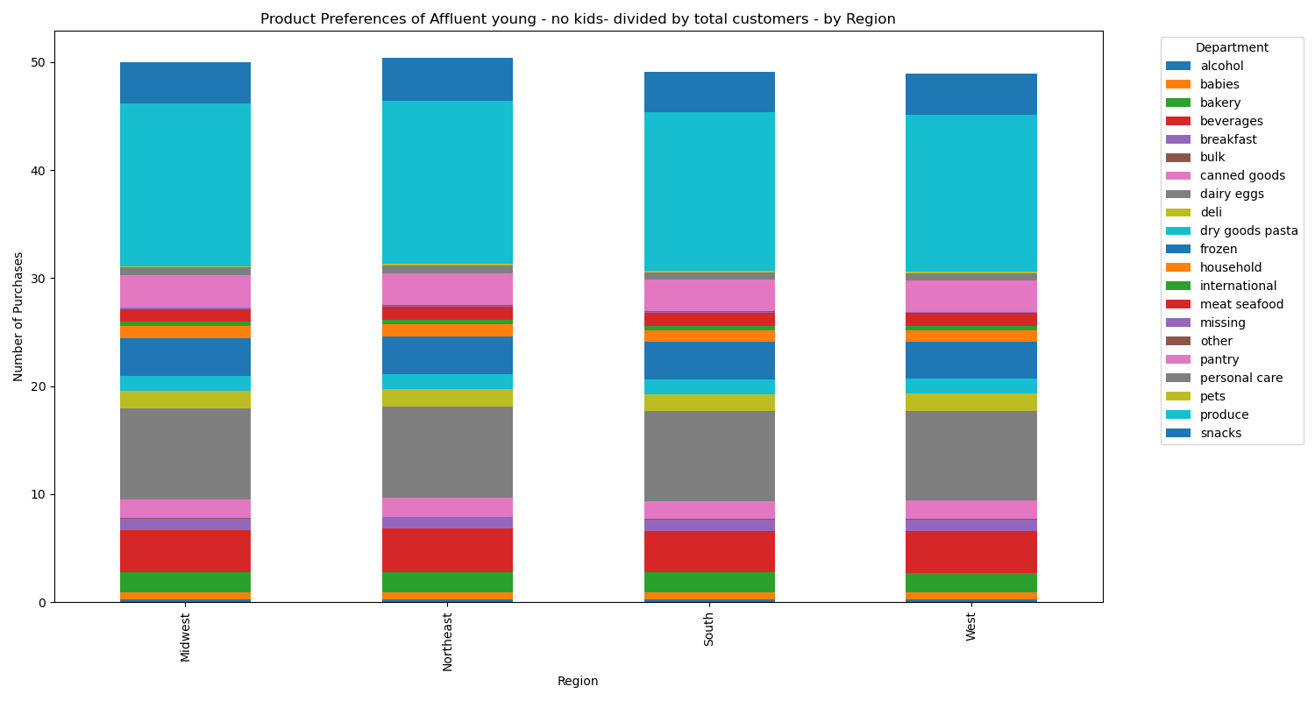
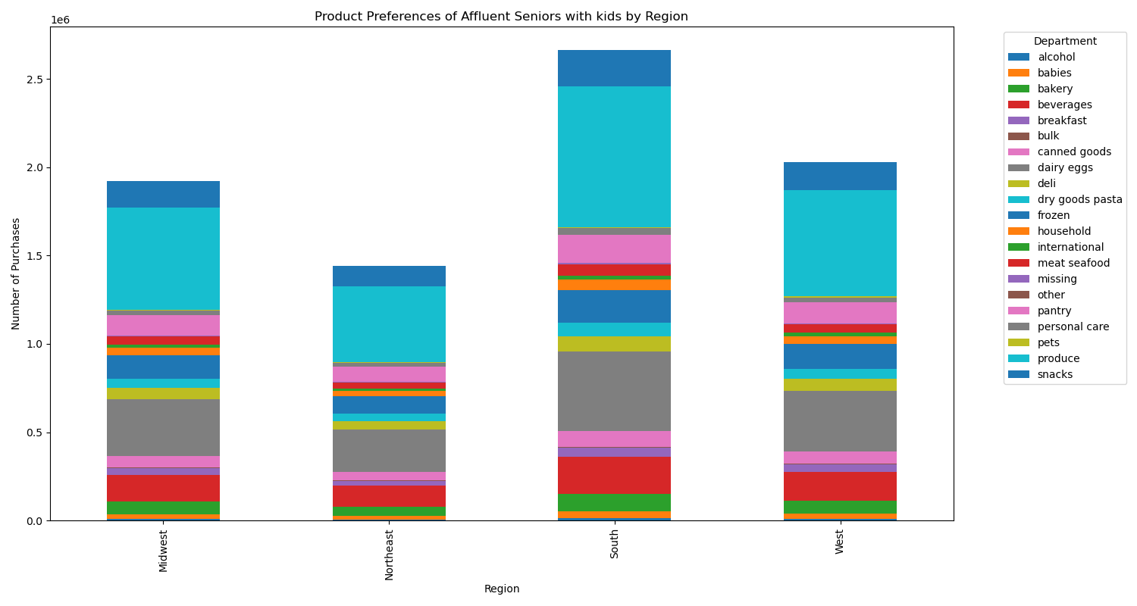
 | TITLE PAGE

Visualisations

In this tab you should include all the visualtions from Exercises 4.9 and 4.10, alongside the questions from the project brief that they answer. Include any commentary on the relationship between different variables.

Q1: Busiest day of the week

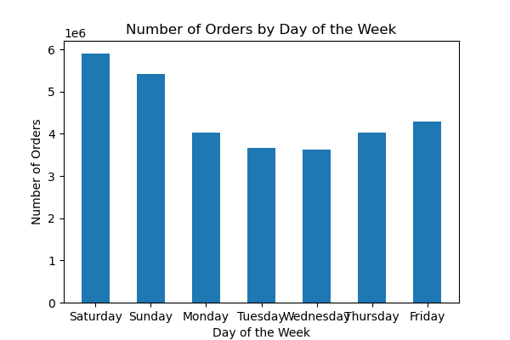
Figure Q1: Total number of orders per day of the week.
There is an approximate 50% increase in order numbers on the weekend over the lowest days of the week: Tuesday and Wednesday.

Figure Q1 recommendations:
To increase numbers of orders during the week, encourage shoppers to branch out from groceries to the "middle aisle" general merchandise items - the special buys, the unexpected items on sale for limited time only. Market this as an extra treat for "when the grocery shopping is done". Offer customers the option to shop and purchase these items during the week and to have the items held in the stor for pickup with the weekend order.

Q2: Busiest hour of the day

Figure Q2a: Total number of orders per hour of the day.
The highest volumes are between 9 and 5, with only minimal numbers overnight.
Figure Q2b: Average item price per hour of the day.
There is a clear peak at 2 am and another smaller one a 5 am. Thus, customers order the most expensive items late at night. After that, there is a major drop-off after 7 pm, with lower price items dominating.
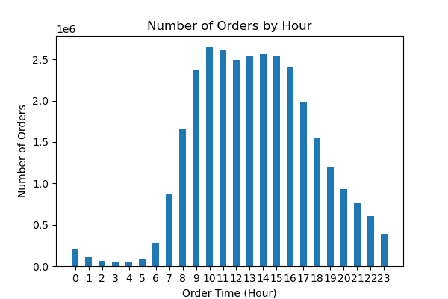
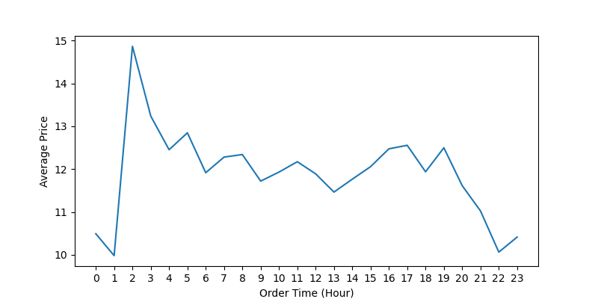

Figure Q2 recommendations:
To increase numbers of orders in the evening and after 12, encourage our customers to see it as a pleasurable activity. Market is as a treat by offering fun, colorful, and limited edition items. Make sure that the ordering process is seamless and easy, one-click if possible. Market expensive items after midnight, again, as a special, fun treat.

Q3: Create and show price range groupings

Figure Q3: Total number of items per price range group.
Low: under 5, Mid: 5-15, High: over 15. Mid-range items dominate, with twice as many as the low-range items; High-range items are negligeable.
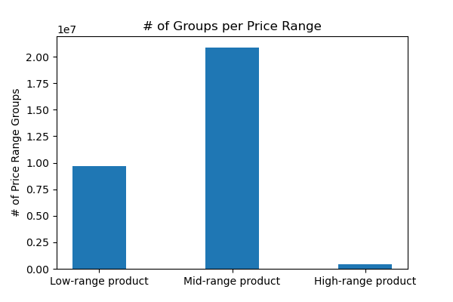

Figure Q3 recommendations:
Increase the number of high-range items to about 5% of the mid-range products and market them as special treats, affordable luxury. (See question 2 and market them late at night).

Q4: Show the departments by frequency of product orders (sum product_id)

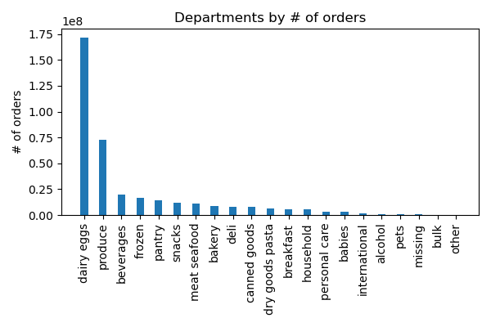
Figure Q4: Departments ranked by total number of orders.
"Dairy/eggs" and "produce" remain the top sellers, with all other departments far behind.

Figure Q4 recommendations:
Research sales for in-store groceries by department to determine if this is normal. If not, we have an opportunity to increase sales from other departments.

Q5a) Show the distribution of customers with respect to brand loyalty (days since prior order)
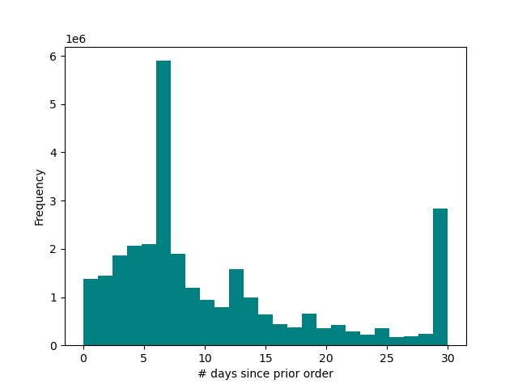

Figure Q5a: Frequency of intervals between orders.
The number of "days since prior order" is highest a 7 days, with a smaller peak at 13-14 days, suggesting that our regular customers order on a weekly or bi-weekly schedule.

Figure Q5a recommendations:
Develop a marketing campaign to remind all non-regular customers of how easy and rewarding it is to order from us. Offer promotional discounts to the slowest to re-order, or volume discounts to reward frequent ordering.

Q5b) Compare customer ordering habits (median total price per order) between the different loyalty status customers (loyalty flag, based on max_orders)

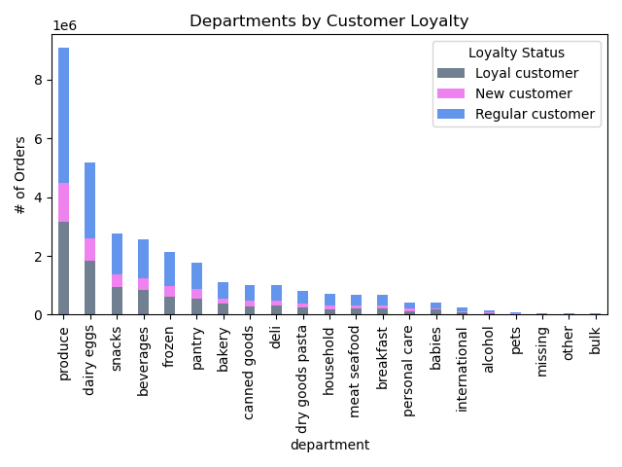
Figure Q5b: Departments ranked by total orders and segmented by customer loyalty.
Loyal customers - over 40 orders, Regular cutomers - 10 to 40 orders, new customers - under 10 orders. There are no clear differences in department preferences between our loyalty groups.

Figure Q5b recommendations:
Do we expect loyal customers to shop differently? Research these loyal customers to find out why they keep coming back - maybe offer coupons in exchange for answering questions.

Q5c) Compare customer ordering habits (median total price per order) betwen the different regions

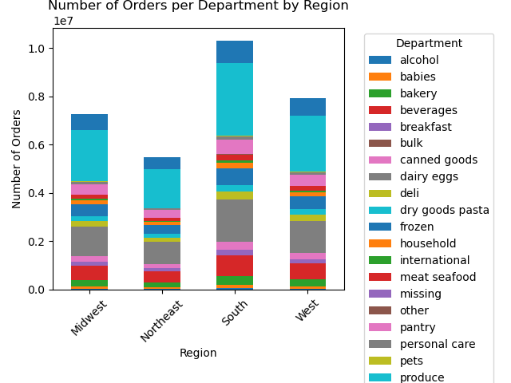
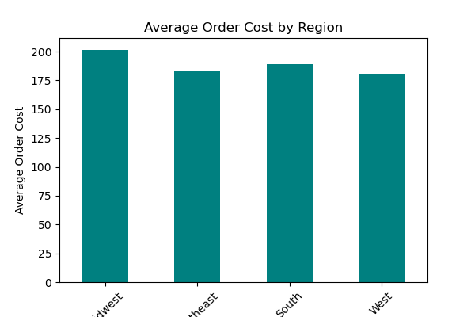

Figure Q5c recommendations:
Do research on regional preferences and offer more regional favorite products. At the same time, we should celebrate our consistent identity and popularity across all states. We have brand cachet as "America's online grocery store".

Figure Q5c_part 1: Department orders segmented by region.
Although sales appear to be higher in the South and West, these simply represent the increased numbers of customers in these regions (see Figure Q5e).
Figure Q5c_part 2: Average total order cost by region.
There is very little difference between the regions in terms of average order cost.

Q5d) Compare customer ordering habits (median total price per order) in terms of age and family status

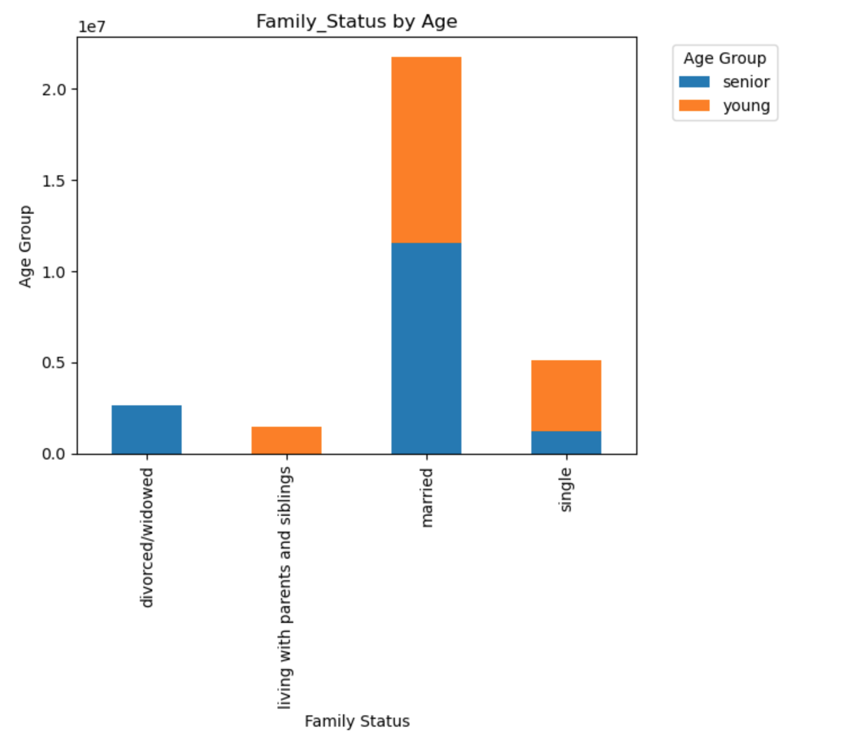
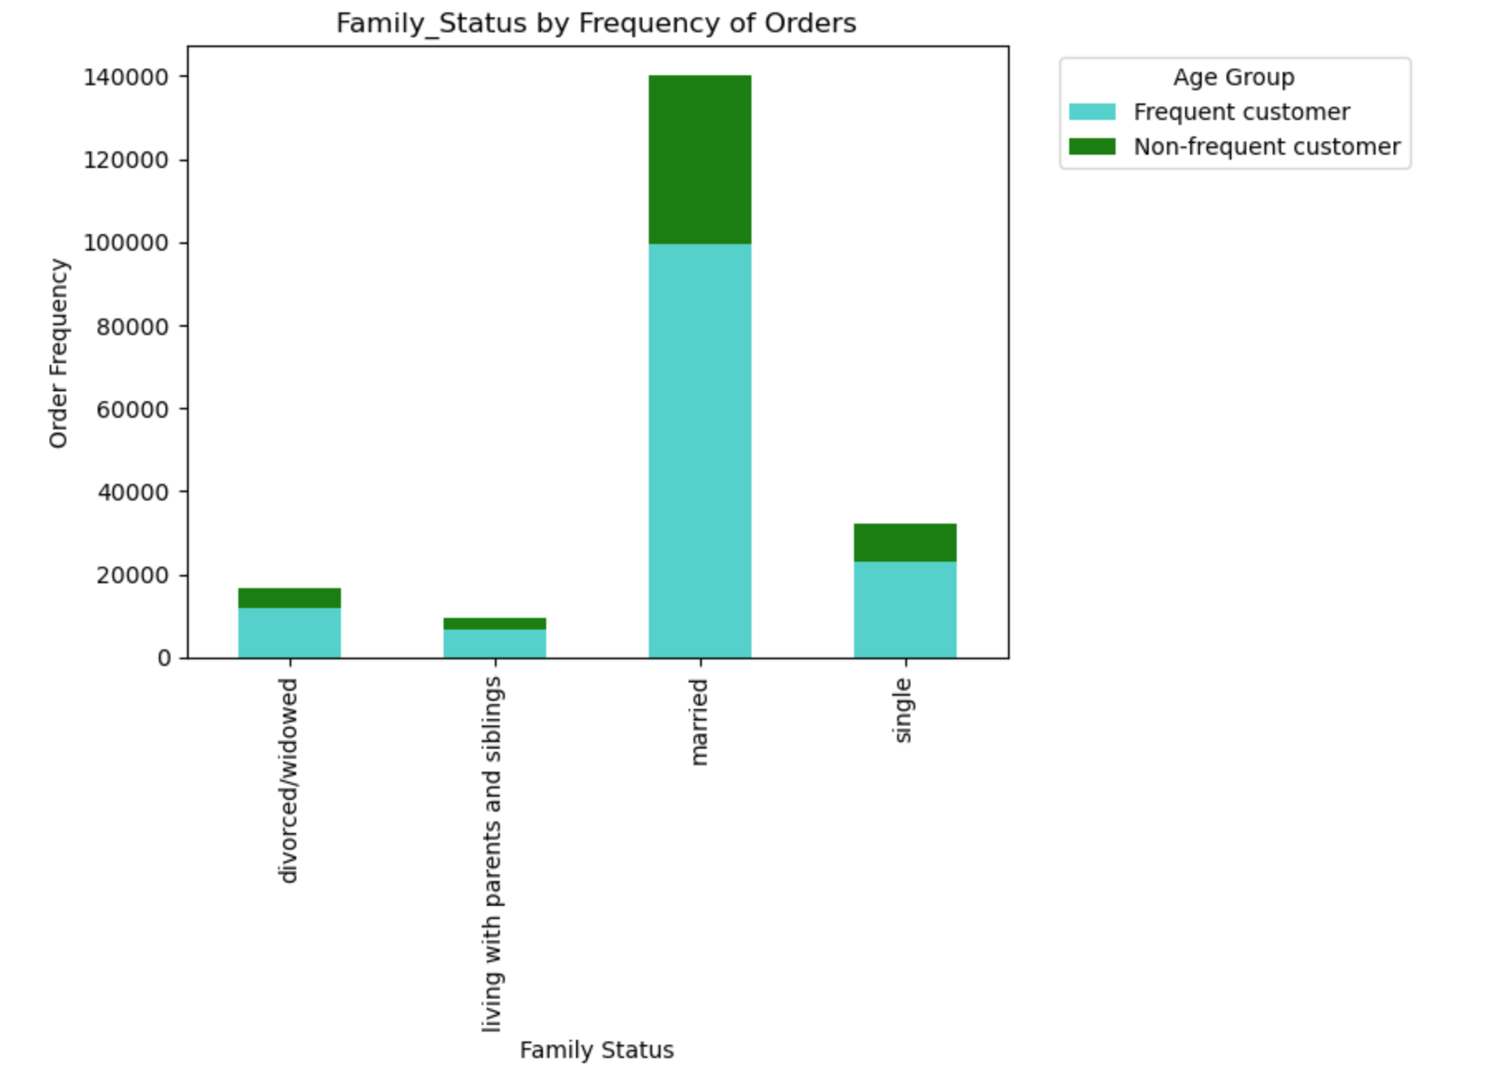
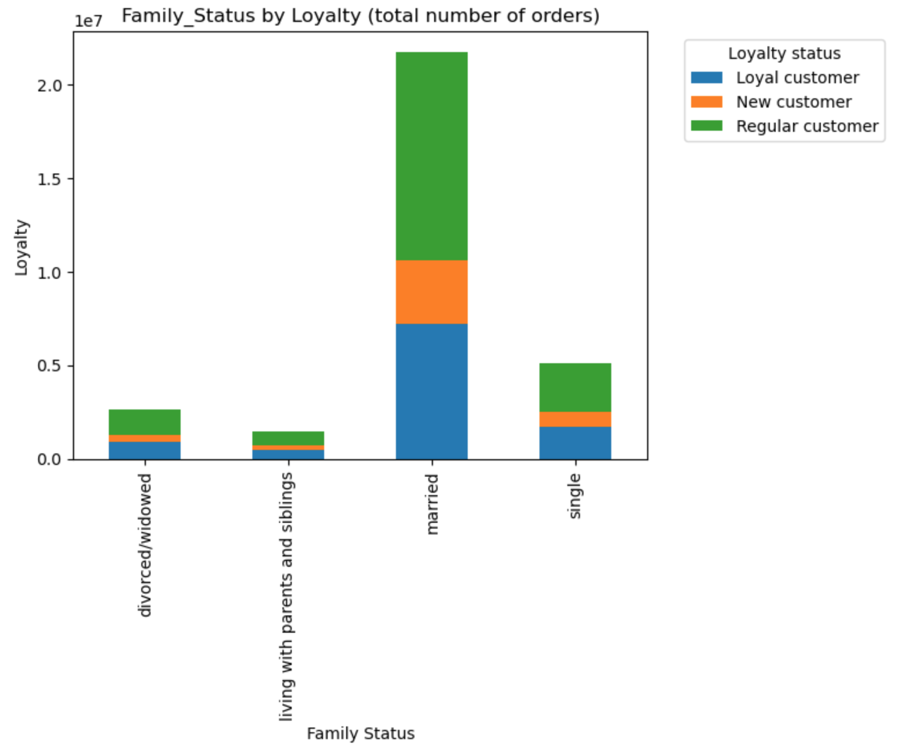

Figure Q5d_part 2: Customers segmented by order frequency and family status.
Loyal customers - over 40 orders, Regular cutomers - 10 to 40 orders, new customers - under 10 orders. Frequent customers dominate in most family groups.

Figure Q5d_part 1: Customers segmented by age and family status.
There is a striking difference between senior (over 45) and younger (under 45) customers in terms of their living situation. Very few senior customers are divorced/widowed, and none are living with parents and siblings.
Figure Q5d_part 3: Customers segmented by loyalty status and family status.
Loyal customers - over 40 orders, Regular cutomers - 10 to 40 orders, new customers - under 10 orders. The loyalty status is equally split between the family groups.

Figure Q5d recommendations:
Use this information to direct market specific products to our customers. Our senior age group is mostly married and live with a partner and not extended family. We should address promotions related to partner-living to them.

Q5e) Assign classifications to the customers based on age, income, family status, certain types of goods

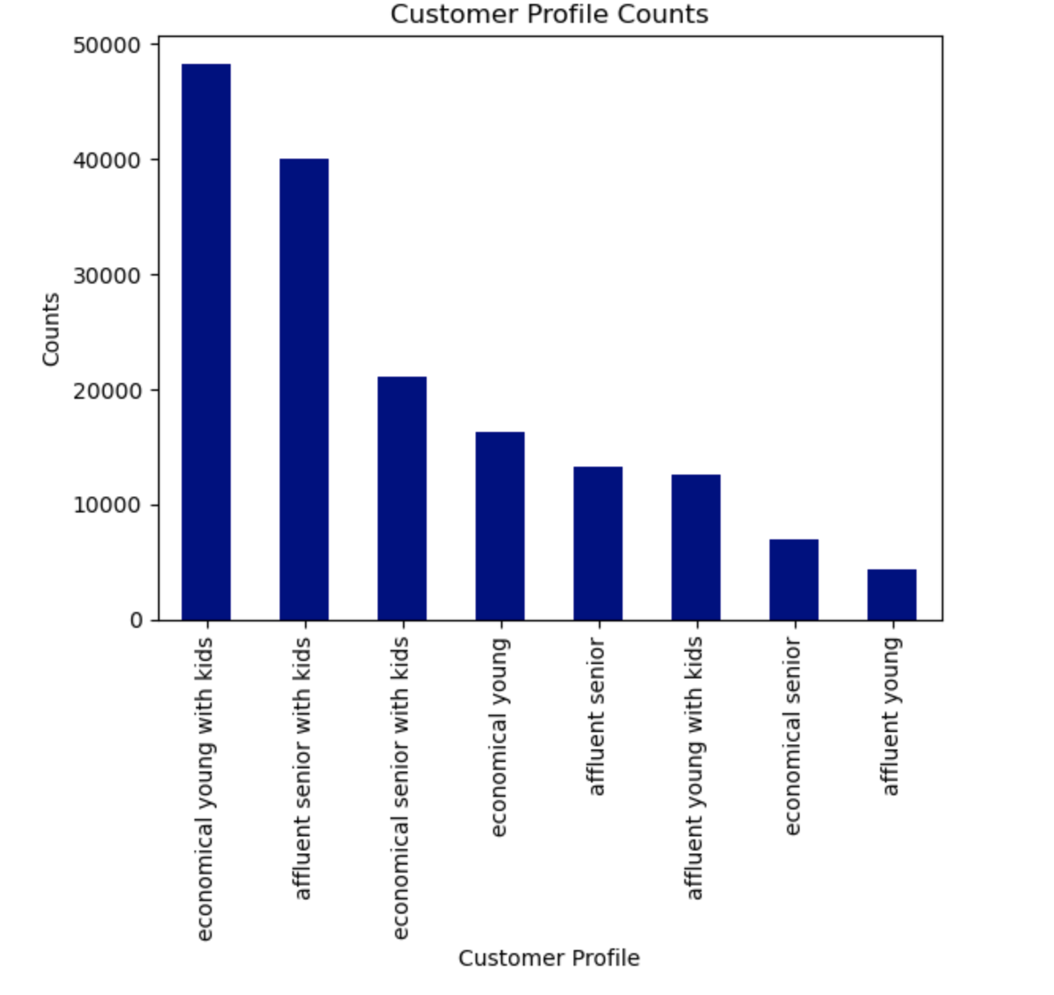

Figure Q5e_part 1: Customers segmented by income, age, and number of dependents.
Age: over and under 45 years; Income: over and under 100k per year; number of dependents: none or some. Our largest croups are the economical income families and the affluent older familes.
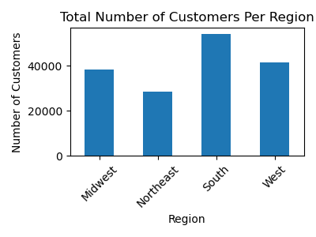

Figure Q5e_part 2: Total number of customers per region.
The Northeast is lowest, followed by the Midwest, the West, and led by the South.

Figure Q5e recommendations:
We should research whether we can increase the customer base in the Midwest and Northeast, or determine why our numbers there are lower.

Q5f) Show differences in customer profiles in terms of ordering habits.

Figure Q5f_part 1: Example of department preferences for one of our customer profiles, "affluent seniors with kids", by region.
We see no real differences in department preferences by region for this group, although overall sales appear higher in the South and the West.
Figure Q5f recommendations:
Our profiles are not granular enough, and we should do more research and add more variables to further classify our customer base.
Figure Q5f_part 2: The profile for "affluent seniors with kids" by region (left, part 1), normalized to numbers of customers per region.
After normalization, it is clear that there is no difference in product preferences for this group, between the regions.

7. Recommendations
 |  | TITLE PAGE

Recommendations

In this tab you should include any recommendations you would made to Instcart in terms of their marketing strategy based on the questions posed in the brief. Every key question has been covered in the Tasks of the Exercises - here you need to add an item - a visualisation or table/crosstable that is showing the answer in the data, acompanied by a comment from you. Please, list the questions below and add the answer underneath.

Questions | Answers
1) The busiest days are Saturday and Sunday, the least busy days are Tuesday and Wednesday.
Recommendation: Assign ads on Tuesdays and Wednesdays, either to draw customers to these days or to remind them to order on the weekend.
[Link to visualization]
1) The sales team needs to know what the busiest days of the week and hours of the
day are (i.e., the days and times with the most orders) in order to schedule ads at
times when there are fewer orders.
2) They also want to know whether there are particular times of the day when people
spend the most money, as this might inform the type of products they advertise at
these times.
3) Instacart has a lot of products with different price tags. Marketing and sales want to
use simpler price range groupings to help direct their efforts.
4) Are there certain types of products that are more popular than others? The marketing
and sales teams want to know which departments have the highest frequency of
product orders.
5) The marketing and sales teams are particularly interested in the different types of
customers in their system and how their ordering behaviors differ. For example:
5a) What’s the distribution among users in regards to their brand loyalty (i.e., how
often do they return to Instacart)?
5b) Are there differences in ordering habits based on a customer’s loyalty status?
5c) Are there differences in ordering habits based on a customer’s region?
5d) Is there a connection between age and family status in terms of ordering
habits?
5e) What different classifications does the demographic information suggest?
Age? Income? Certain types of goods? Family status?
5f) What differences can you find in ordering habits of different customer
profiles? Consider the price of orders, the frequency of orders, the products
customers are ordering, and anything else you can think of.

2) The busiest times of day are 9:00 to 19:00. The least busy times are overnight, 2:00 - 5:00. Expensive orders peaked at 2 am.
Recommendation: Market expensive items after midnight.
[Link to visualization]

3) We’ve added a new column, “price_range_loc”, containing a price flag:
“Low-range Product” for prices under 5, “Mid-range Product” for prices between 5 and 15, and “High-range Product”, for prices over 15. The majority of the products are mid-range, with very few high-range.
Recommendation: Stock more high_range items.
[Link to visualization]

4) Top 5 departments by total prices are:
dairy/eggs, produce, beverages, frozen, pantry. See figure Q4 on previous worksheet for additional detail.
Recommendation: Department sales are very unbalanced, with dairy/eggs and produce far higher than all other categories combined. Research other stores to determine if this is normal. [Link to visualization]

5d) There is a striking connection between age and family status, as the number of senior customers who live with parents and siblings is 0, and the number of young customers who are divorced/widowed is 0.
Recommendation: Use this information to direct market specific products to our customers. [Link to visualization]
5a) A histogram of the “user_frequency” column, which represents the median number of “days_since_prior_order” per customer, shows that the peak occurs at 7 days after prior order – a weekly cycle. See figure 5a on previous worksheet for additional detail.
Recommendation: Develop some kind of mechanism to remind customers to re-order - email marketing? [Link to visualization]

5e) and f) To answer this question, we first assessed the total purchases by department and by region for all customers -- and found no differences.
We then divided our customer base into 8 profiles, based on age, income, and number of dependants. We analyzed the departmental preferences for 2 of these profiles and again, found no differences. See figures 5e and 5f on previous worksheet for more details.
Recommendation: Our profiles are not granular enough, and we should do more research and add more variables to further classify our customer base.
[Link to visualization]
5b) No - there are no differences between the loyalty status and the departments ordered from. See figure 5b on previous worksheet for additional detail.
Recommendation: Do we expect loyal customers to shop differently? Research these loyal customers to find out why they keep coming back - maybe offer coupons in exchange for answering questions.
[Link to visualization]

5c) Neither department preferences nor total order costs varied by region. See figure 5c on previous worksheet for more details.
Recommendation: Do research on regional preferences and offer more regional favorite products. [Link to visualization]

